Cover page
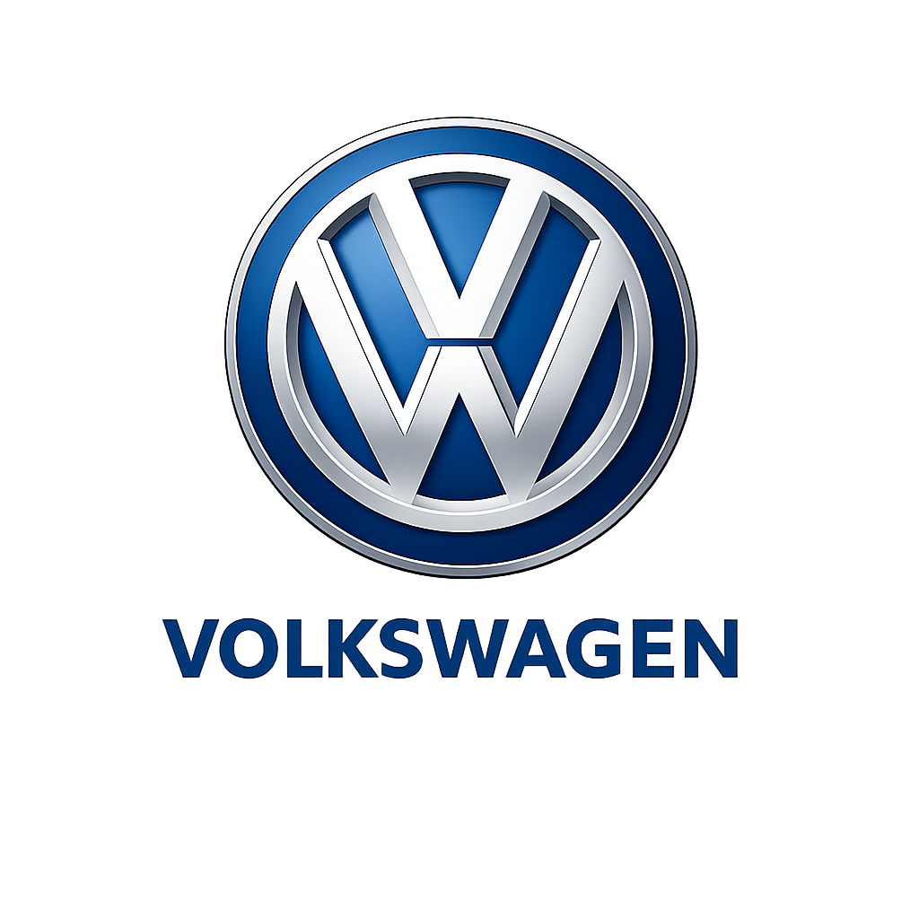
Project Title
Comparable Company Valuation

Target Company
Volkswagen AG

Prepared by
Muddangula Charitha

Date | 6-Mar-26

Valuation Method
Comparable Company Analysis

Currency:
EUR (MILLIONS)

Data Source:
Company Annual Reports
Investor Presentations
Yahoo Finance

LOGO:

MUTLIPLES CAHRT
EV/EBITDA MUTLIPLES

Company | EV/EBITDA
Volkswagen | 4.1
Mercedes | 5.8
BMW | 6.0
Ford | 6.8

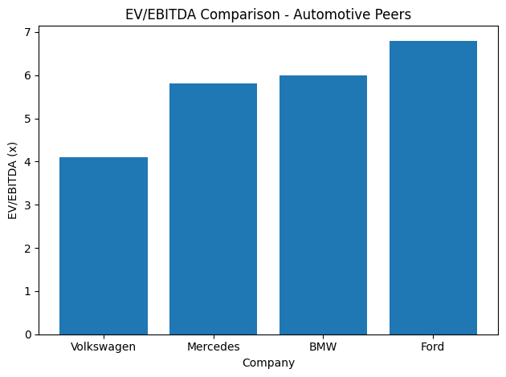

“Volkswagen AG trades at the lowest EV/EBITDA multiple among peers, indicating potential undervaluation.”

